Application Screen
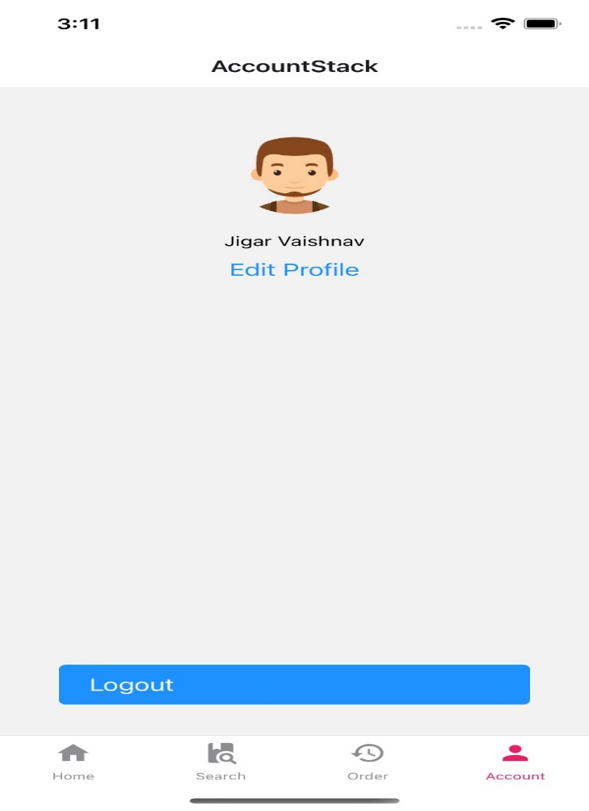
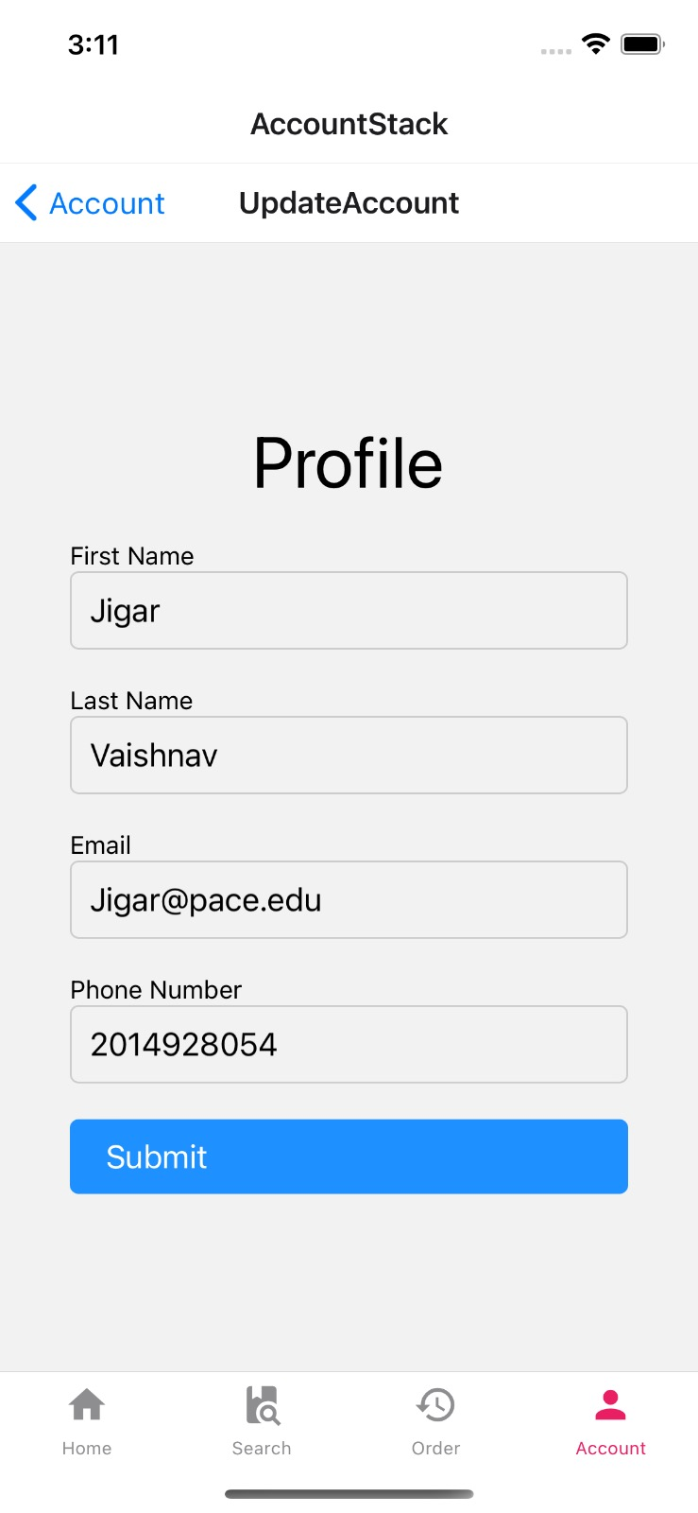

Test Case8
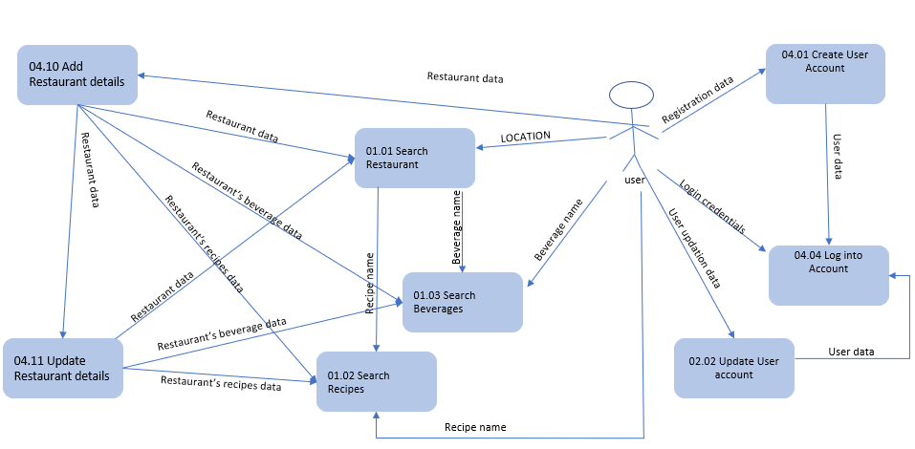
TC Title: | TC8. Update User account - Data Flow Out

TC Objective: | The Objective of this test case is to Verify if the data filled in the Updation page is getting used in the Login page.

TC Description
 | Step | Step Description | Expected Results
 | 1 | Click Login Link Enter Email Enter Password Open Developer Tools in the browser Click on the Developer Tools Network tab Click on the "login" button | In the Developer Tool Response tab you can see the Update user account data is present in the login api Response.

TC Data Flow Diagram

